Sheet1
 | Document No. | Issue No. |  | Issue Date |  |  | Review and Replace Date |  | Authorised By
 | GFF323MC | 2 |  | 21.09.2021 |  |  | 28.12.2021 |  | Magda Shah
 | Document Title | 12 Lancashire Cheese & Plum Parcels 240g
Document amendments reason for change | Film Updated |  |  | Page 1 of 1 |  | Previous Issue Date |  | 21.09.2021 | Uncontrolled copy unless signed original

FVLCPJP1-R20TDO | DONALD RUSSEL |  | 12 Lancashire Cheese & Plum Parcels 240g
STEP 1 |  |  |  |  | STEP 2
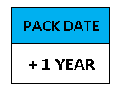   |  |  |  |  | 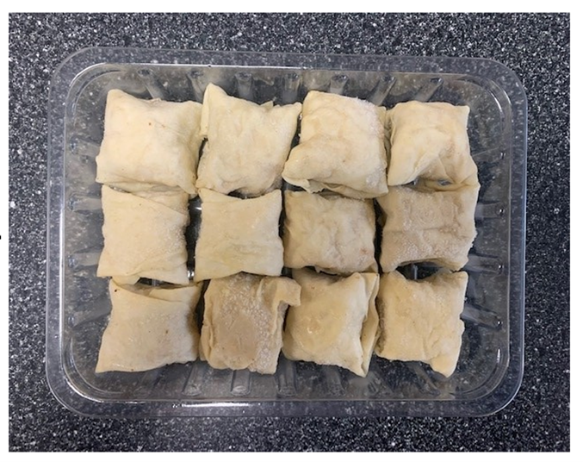

AFTER PACKING PRODUCT NEED TO BE SEND TO DISPATCH BLAST FREEZER

Tray: Tray: SK4 Plain Clear (PKESS001-07) |  |  |  |  | 12 x Lancashire Cheese & Plum Parcels (GFF393R) 20g
Film: ME300AFV2, 300mmx 1000m (PKPRO001-16)
TOTAL WEIGHT: 240g

ALLERGY ALERT: MILK, WHEAT

